Block diagram 01
slide switch[0]
slide switch[1]

i_en
Counter module, 1 output pulse once reaching input limit
example: 60 limit, it will count 60 times, if reach 60 times, it will create 1 output pulse
Pulse gen
Display
slide switch[2]
data divide to 10 for separate degimal to digit for 7 segment display

500MHz Clock

sel

Src selector
2in
1out
/10
7 segment
S2
s1: pulse
second_up
Counter module
(Second)

Push button
s2: manual_second_up
InSecHi

limit

60

%10
7 segment
S1

InSecLo

s1: pulse_minute up
data modulos to 10 for getting the remainder to separate degimal to digit for 7 segment display

Src selector
2in
1out

7 segment
S2
Counter module
(Minute)
/10
minute_up

s2: manual_minute_up
InMinHi

sel
limit
60

%10
7 segment
S1

InMinLo

s1: pulse_hour up

sel

Src selector
2in
1out

7 segment
S2
Counter module
(Hour)
/10
hour_up
manual_hour_up

InMinHi

limit
24

%10
7 segment
S1

InMinLo

Block diagram 02- better ver
slide switch[0]
slide switch[1]

geenrate 1 pulse per sec, pulse duration same as 1 clock

i_en
Pulse gen
slide switch[2]

o_counter

/10
7 segment
S2

500MHz Clock

InSecHi

s1: pulse_second_up
geenrate 1 pulse per click, pulse duration same as 1 clock

Src selector
2in
1out

push_button_pulse_gen
（sec_pushBtn_pulse）
Counter module
(Second)
%10
7 segment
S1

o_counter: second
s2: sec_button_pulse
InSecLo
Push button
limit
60

Counter module, 1 puslse generate per 1 sec, pulse duration same as clock. counter will reset when reach limit

/10
%10
7 segment
S2
7 segment
S1
InMinHi
InMinLo

s1: pulse_minute_up
push_button_pulse_gen
（min_pushBtn_pulse）

Src selector
2in
1out

Counter module
(Minute)

s2: min_button_pulse

o_counter: minute

limit
60

Counter module, 1 puslse generate per 1 minute, pulse duration same as clock. counter will reset when reach limit

InMinHi
/10
%10
7 segment
S2
7 segment
S1
InMinLo

s1: pulse_hour_up
push_button_pulse_gen
（hour_pushBtn_pulse）

Src selector
2in
1out
Counter module
(Minute)

o_counter: hour
s2: hour_button_pulse

limit
24

Counter module, 1 puslse generate per 1 hour, pulse duration same as clock. counter will reset when reach limit

switch
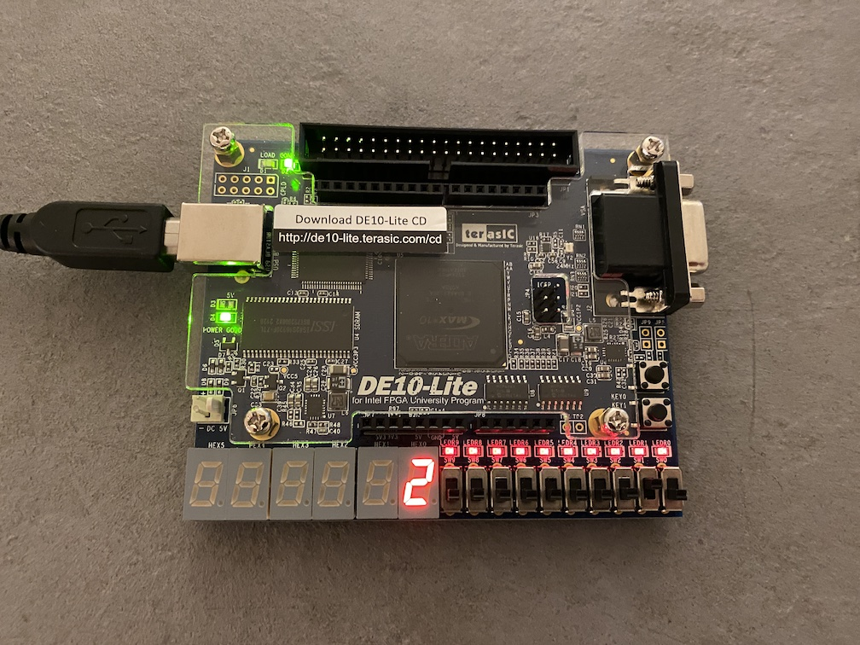

2 | 8

Slide switch [2] - left
Slide switch [1] - middle
Slide switch [0] - right
Push button [1]
Slide switch[2] + Push button [1] = Hour increament by 1
Slide switch[1] + Push button [1] = minute increament by 1
Slide switch[0] + Push button [1] = second increament by 1
clock will start run when all slide switch is off state

Slide switch |  |  | Result
2 | 1 | 0
0 | 0 | 0 | clock run
0 | 0 | 1 | Hour remain | min remain | sec + 1
0 | 1 | 0 | Hour remain | min + 1 | sec remain
0 | 1 | 1 | Hour remain | min + 1 | sec + 1
1 | 0 | 0 | hour + 1 | min remain | sec remain
1 | 0 | 1 | hour + 1 | min remain | sec + 1
1 | 1 | 0 | hour + 1 | min + 1 | sec remain
1 | 1 | 1 | hour + 1 | min + 1 | sec + 1

